clamping area calculator
 | Clamping area calculator

Pull down module setup
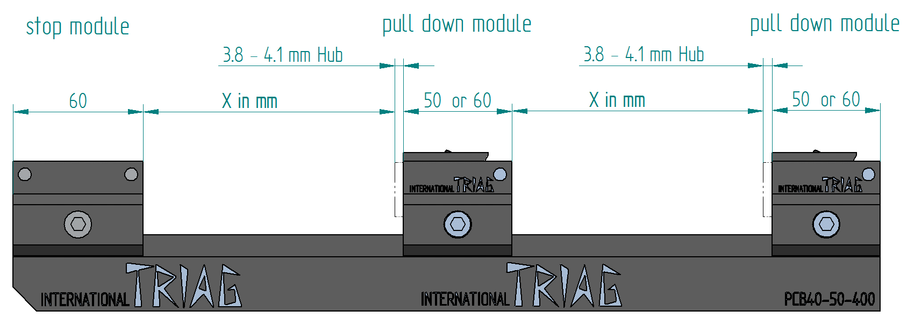
 |  | Length |  | Amount clamping positions
 | Rail | 1000 | mm | 8
 | Stop module | 60 | mm
 | Clamping module | 62 | mm

 | Clamping position (X) |  | 55.5 | mm

Linear module setup
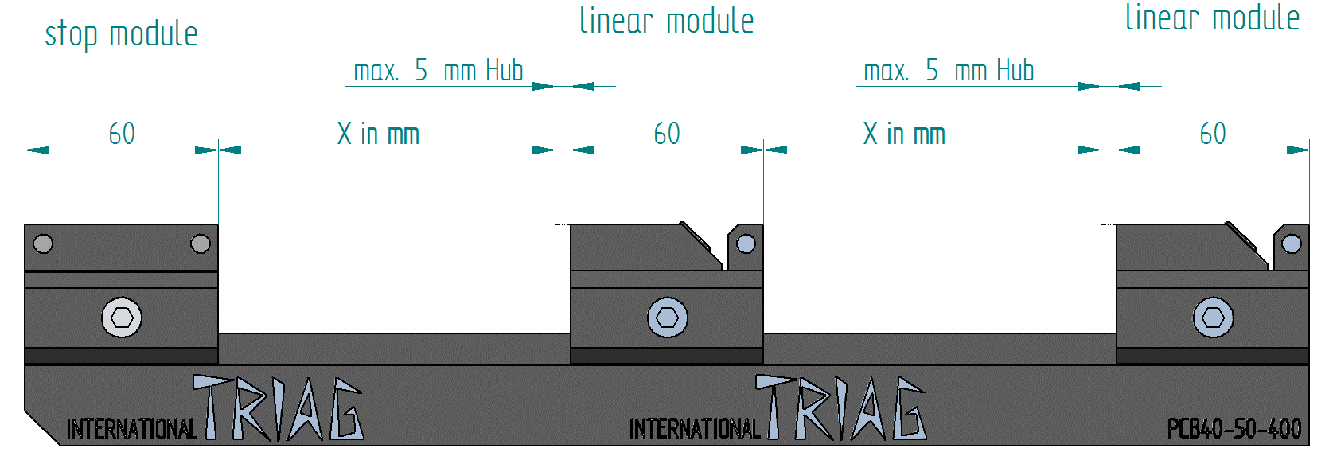
 |  | Length |  | Amount clamping positions
 | Rail | 500 | mm | 3
 | Stop module | 60 | mm
 | Clamping module | 62 | mm

 | Clamping position (X) |  | 84.666666667 | mm

Linear direct stamping setup
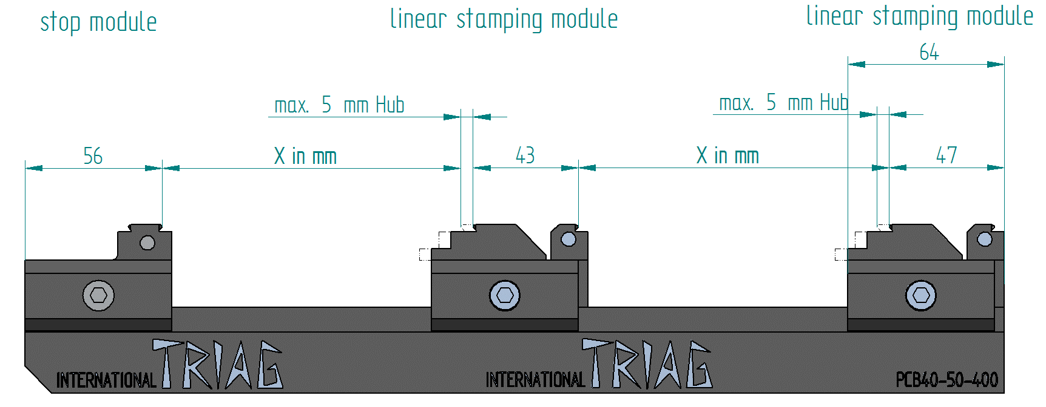
 |  | Length |  | Amount clamping positions
 | Rail | 400 | mm | 5
 | Stop module | 56 | mm
 | Clamping module | 46 | mm
 | End clamping module | 49 | mm

 | Clamping position (X) |  | 22.2 | mm

 | Minimum length of the parts in the direct stamping setup 22 mm

Linear direct stamping setup (stop module turned arround)
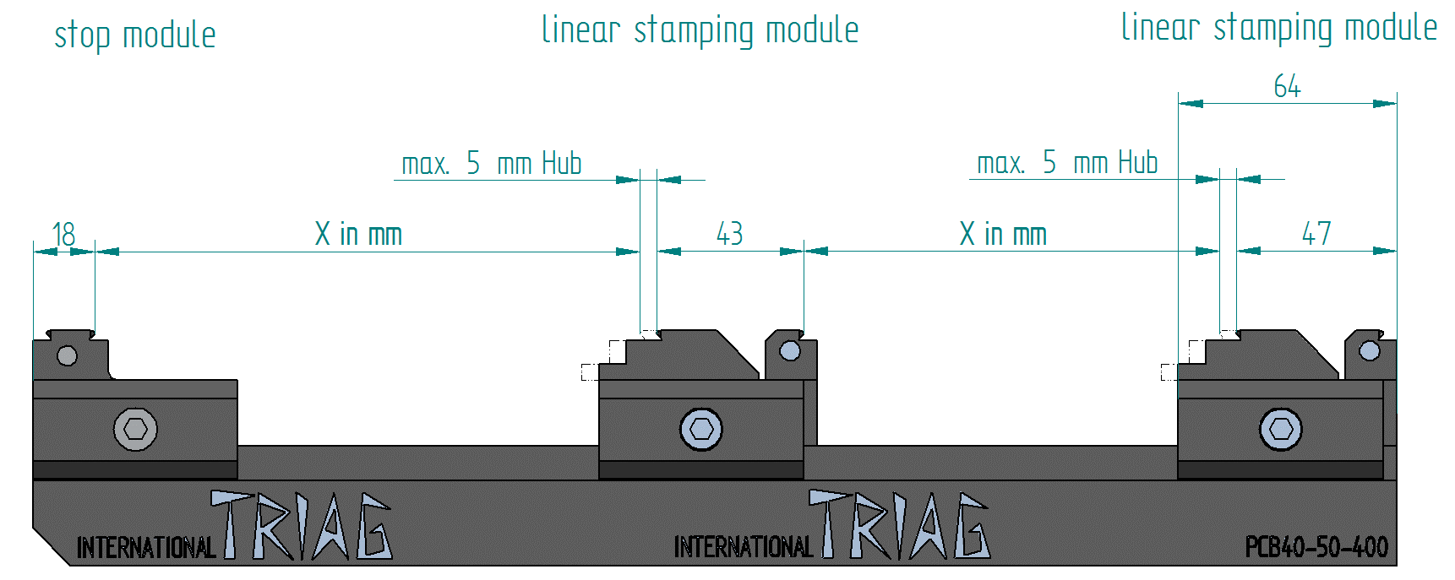
 |  | Length |  | Amount clamping positions
 | Rail | 320 | mm | 3
 | Stop module | 14 | mm
 | Clamping module | 46 | mm
 | End clamping module | 49 | mm

 | Clamping position (X) |  | 55 | mm

 | Minimum length of the first part in the direct stamping setup 55 mm

